4.2.1_perf1
max_seq_length 64
learning_rate 1e-5
batch_size 64

best stsb dev
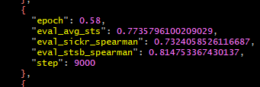

senteval total

4.21.0_perf1
Unsupervised

 | max_seq_length 64 |  | max_seq_length 64 | max_seq_length 64
 | learning_rate 1e-5 |  | learning_rate 3e-5 | learning_rate 5e-5
 | batch_size 64 |  | batch_size 64 | batch_size 64
 | Gradient clipping enabled |  | Gradient clipping enabled | Gradient clipping enabled

 |  | best stsb dev
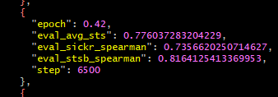

 |  | senteval total

 |  |  | max_seq_length 64 | max_seq_length 64
 | max_seq_length 64 |  | learning_rate 3e-5 | learning_rate 5e-5
 | learning_rate 1e-5 |  | batch_size 64 | batch_size 64
 | batch_size 64 |  | Gradient clipping disabled | Gradient clipping disabled
 | Gradient clipping disabled

 |  | best stsb dev
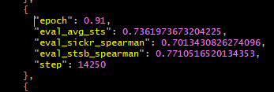

 |  | senteval total

Supervised

 | max_seq_length 64
 | learning_rate 1e-5
 | batch_size 64
 | Gradient clipping enabled

 |  | best stsb dev
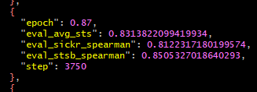

 |  | senteval total

 | max_seq_length 64
 | learning_rate 1e-5
 | batch_size 64
 | Gradient clipping disabled

parameter diff
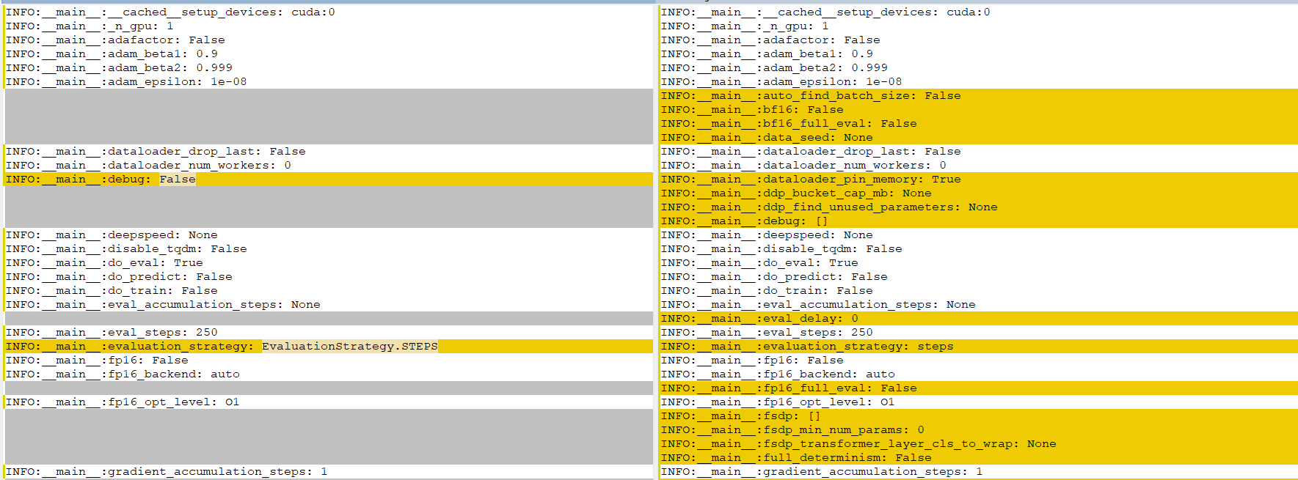

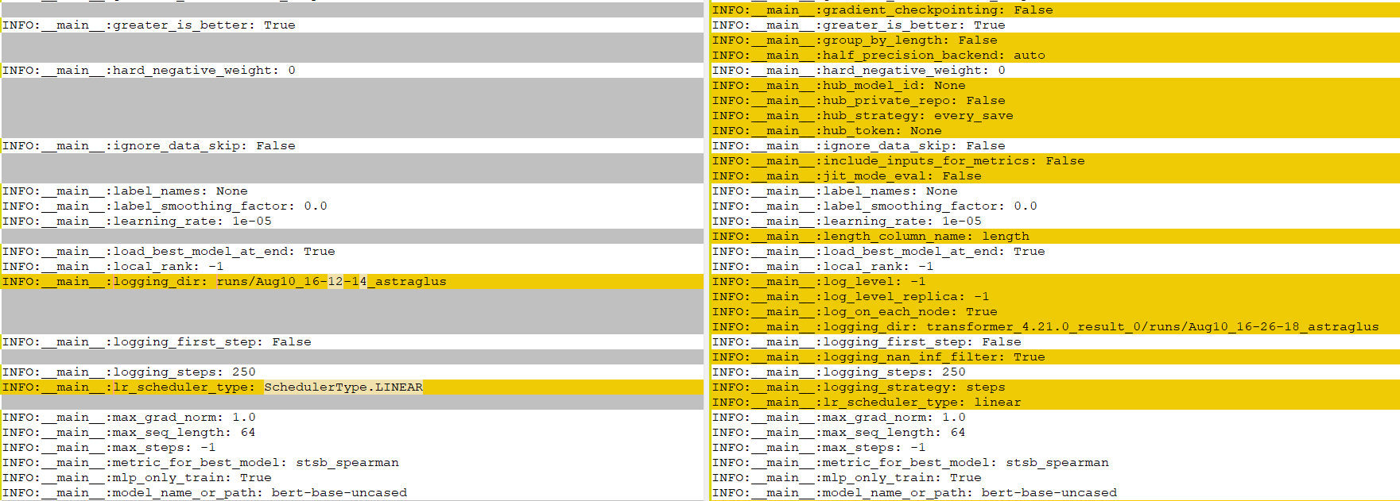

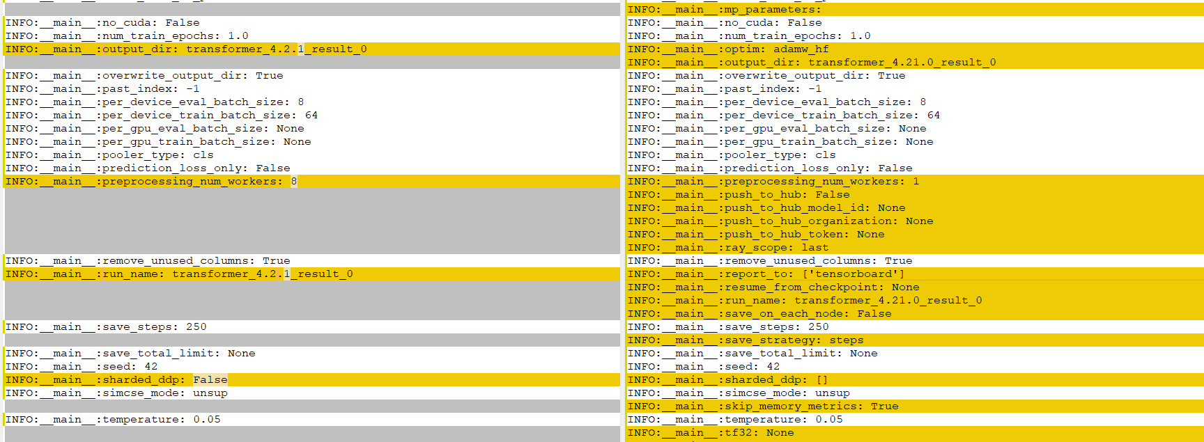

package diff
v4.11.0: GPT-J, Speech2Text2, FNet, Pipeline GPU utilization, dynamic model code loading
https://github.com/huggingface/transformers/releases/tag/v4.11.0

 | Fix loss computation in Trainer #13760 (@sgugger) - https://github.com/huggingface/transformers/pull/13760

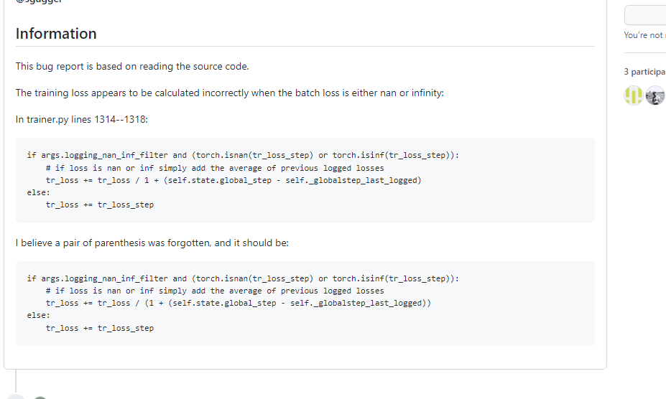

v4.6.0: ViT, DeiT, CLIP, LUKE, BigBirdPegasus, MegatronBERT
https://github.com/huggingface/transformers/releases?page=5

 | [trainer] solve "scheduler before optimizer step" warning #11144 (@stas00) - https://github.com/huggingface/transformers/pull/11144

